Datailed Inquiry Information
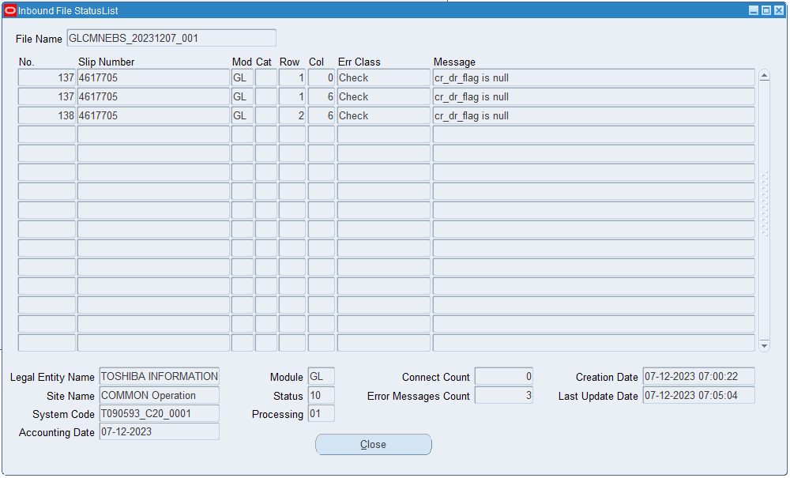
Detailed Inquiry Information

Actual Operation Evidence
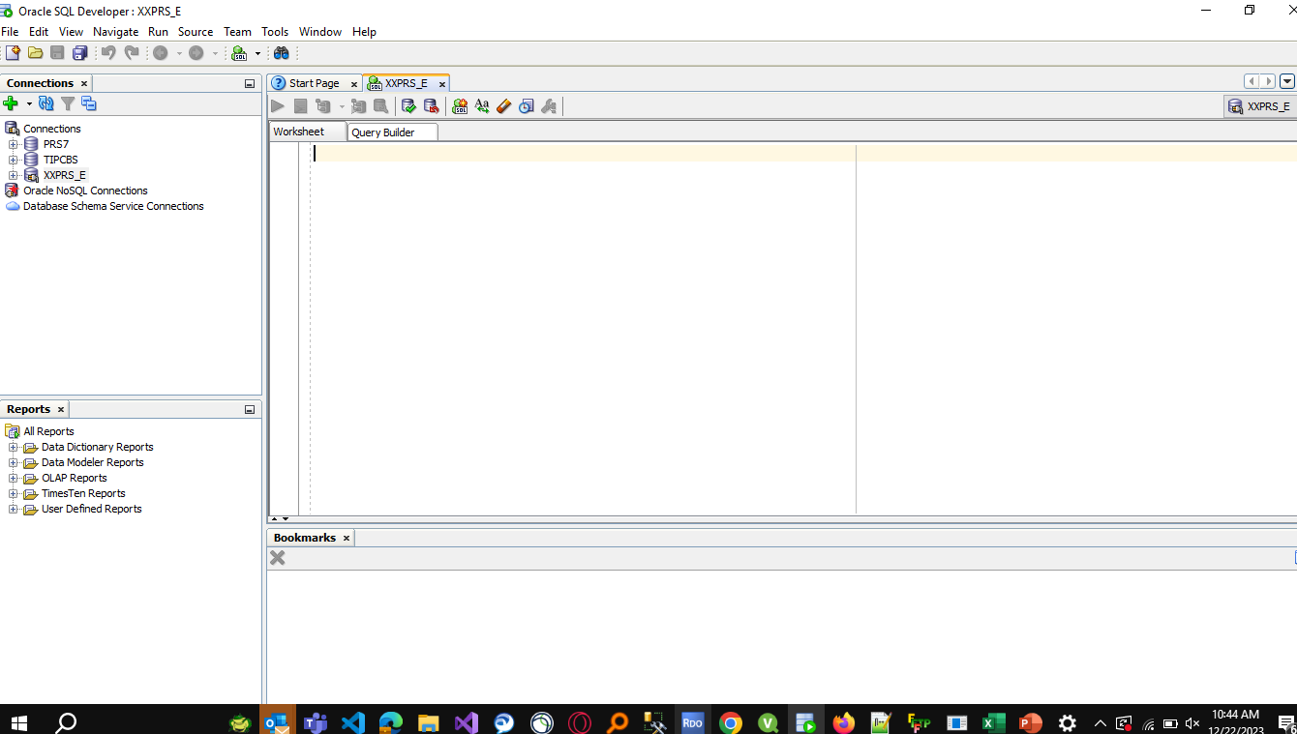
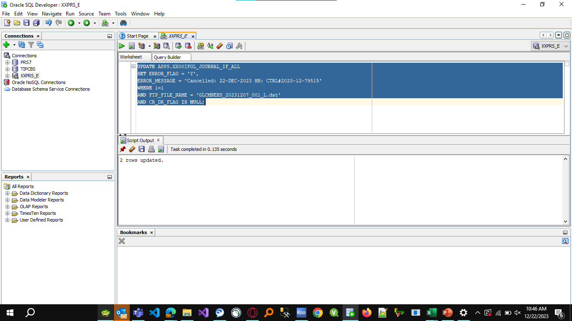
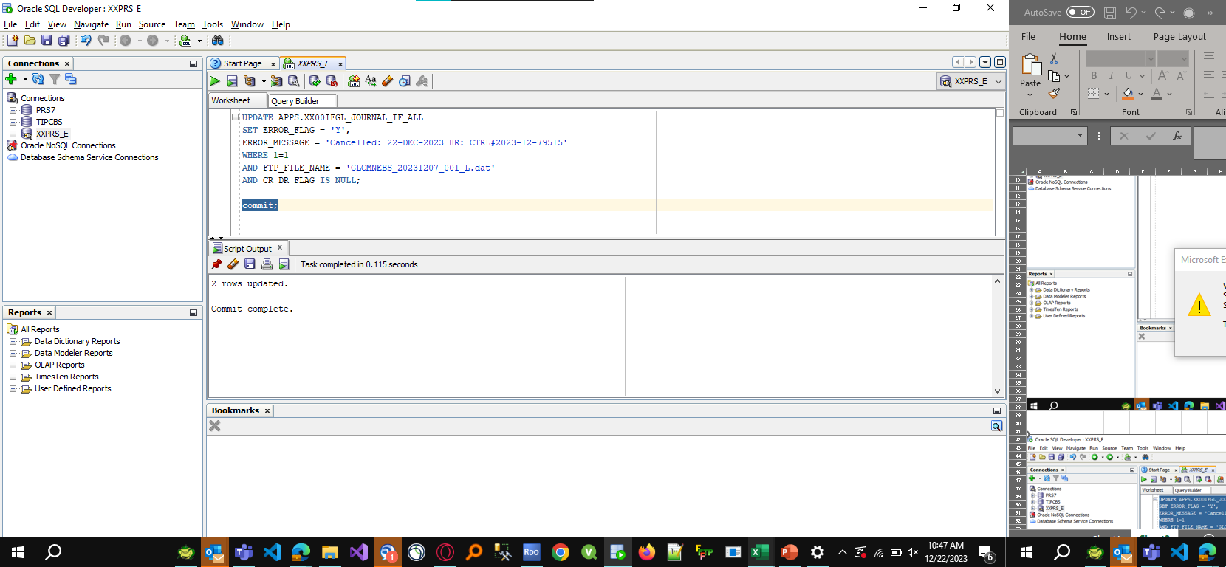
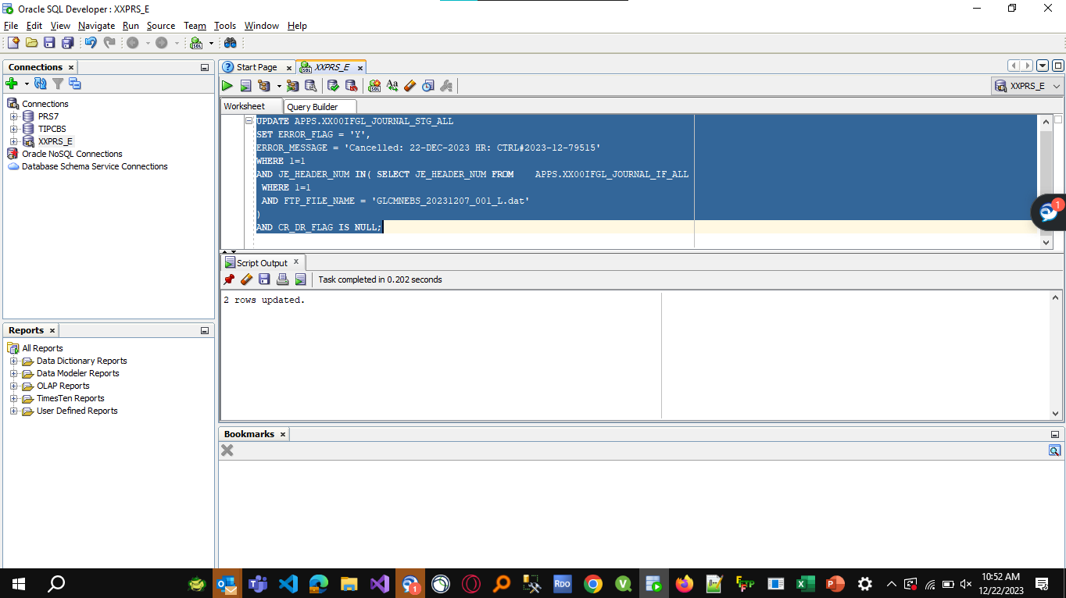
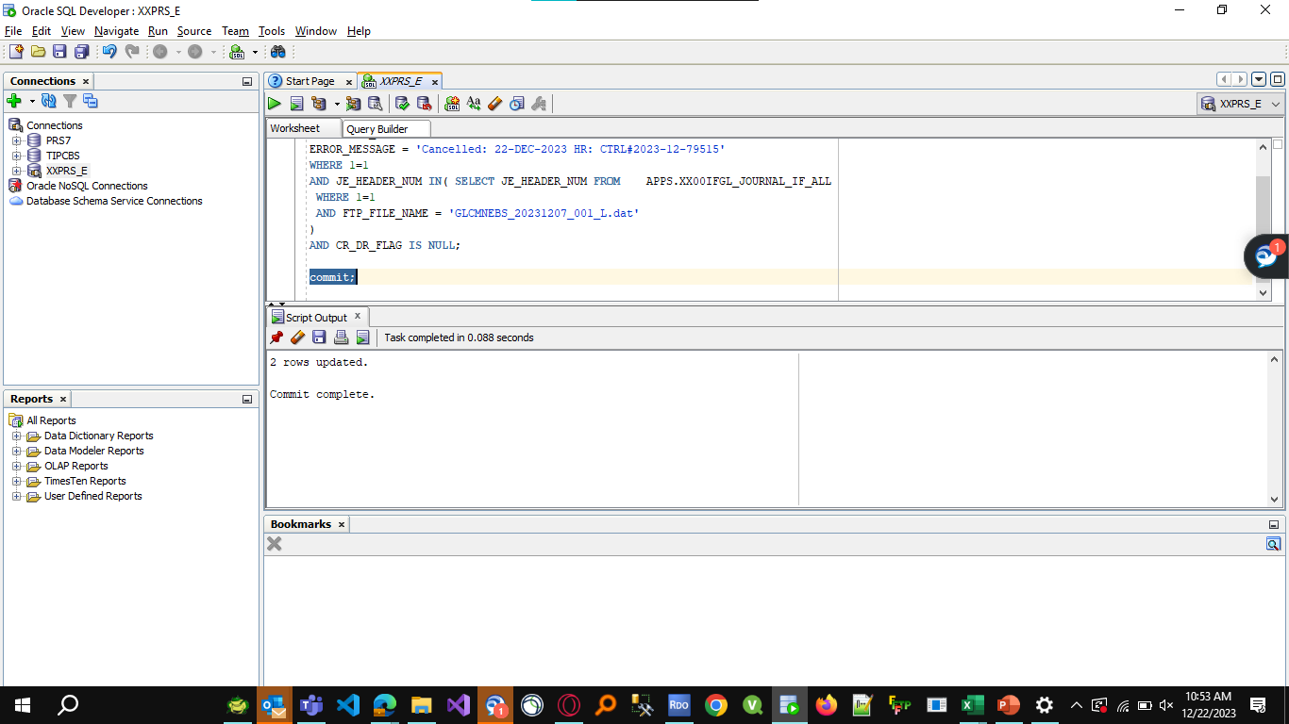
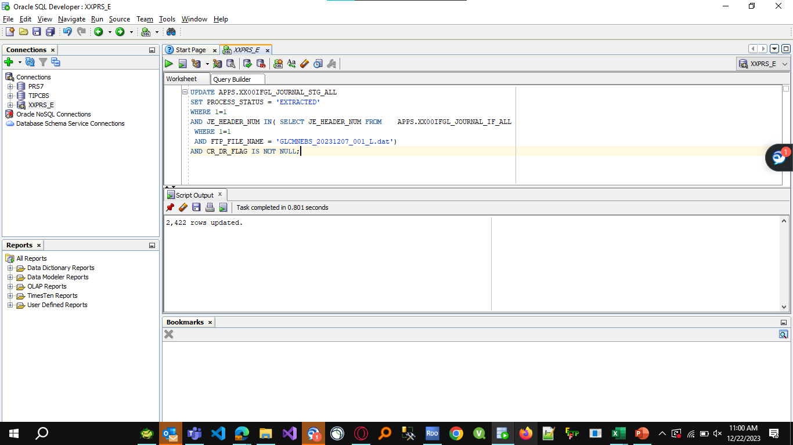

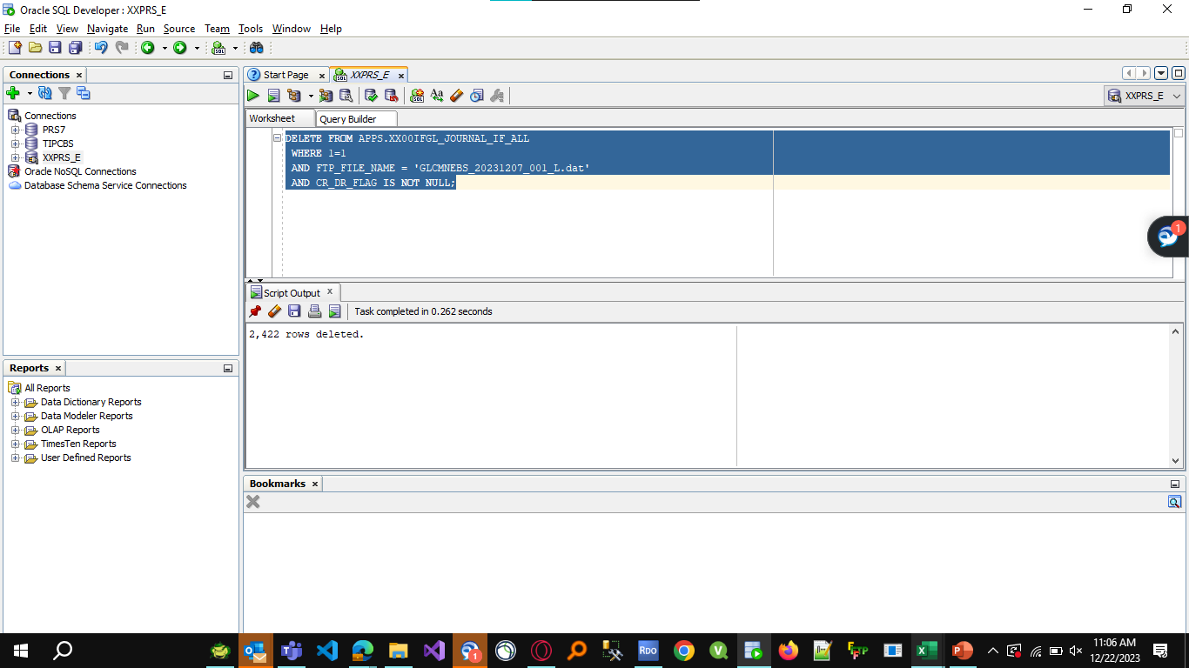
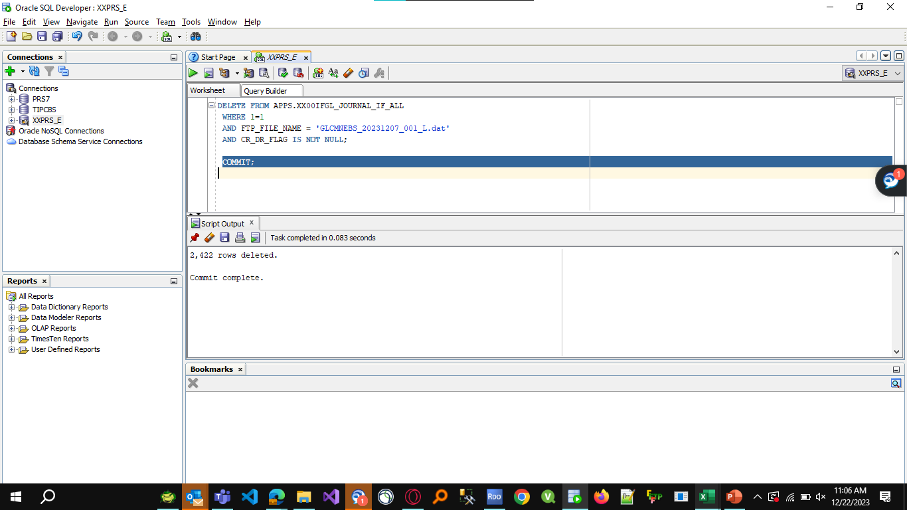
UPDATE APPS.XX00IFGL_JOURNAL_STG_ALL
SET PROCESS_STATUS = 'EXTRACTED'
WHERE 1=1
AND JE_HEADER_NUM IN( SELECT JE_HEADER_NUM FROM APPS.XX00IFGL_JOURNAL_IF_ALL
WHERE 1=1
AND FTP_FILE_NAME = 'GLCMNEBS_20231207_001_L.dat')
AND CR_DR_FLAG IS NOT NULL

UPDATE APPS.XX00IFGL_JOURNAL_STG_ALL
SET ERROR_FLAG = 'Y',
ERROR_MESSAGE = 'Cancelled: 22-DEC-2023 HR: CTRL#2023-12-79515'
WHERE 1=1
AND JE_HEADER_NUM IN( SELECT JE_HEADER_NUM FROM APPS.XX00IFGL_JOURNAL_IF_ALL
WHERE 1=1
AND FTP_FILE_NAME = 'GLCMNEBS_20231207_001_L.dat'
)
AND CR_DR_FLAG IS NULL

DELETE FROM APPS.XX00IFGL_JOURNAL_IF_ALL
WHERE 1=1
AND FTP_FILE_NAME = 'GLCMNEBS_20231207_001_L.dat'
AND CR_DR_FLAG IS NOT NULL

UPDATE APPS.XX00IFGL_JOURNAL_IF_ALL
SET ERROR_FLAG = 'Y',
ERROR_MESSAGE = 'Cancelled: 22-DEC-2023 HR: CTRL#2023-12-79515'
WHERE 1=1
AND FTP_FILE_NAME = 'GLCMNEBS_20231207_001_L.dat'
AND CR_DR_FLAG IS NULL;

Helpdesk Request
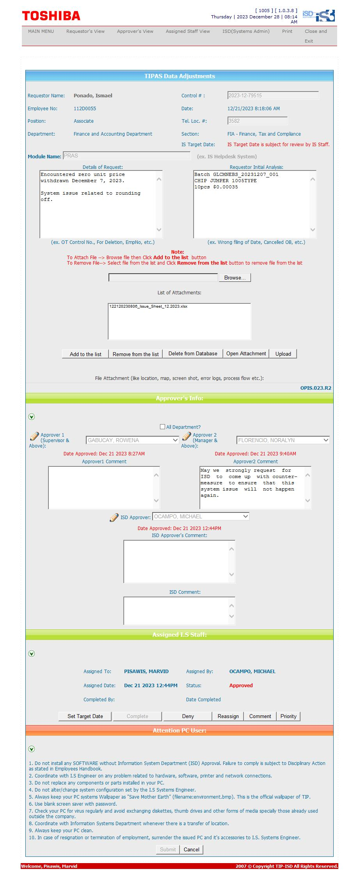
Helpdesk Request

